13_Luu Thong tin dhang vao DB
 |  |  | PHP Laravel 5x - Website bán hàng Bài 14: Lưu Thông Tin Đơn Hàng Vào Database Phần 1

 |  | Tien hanh luu thong tin khach hang va luu thong tin cac sanpham da thuc hien dat hang

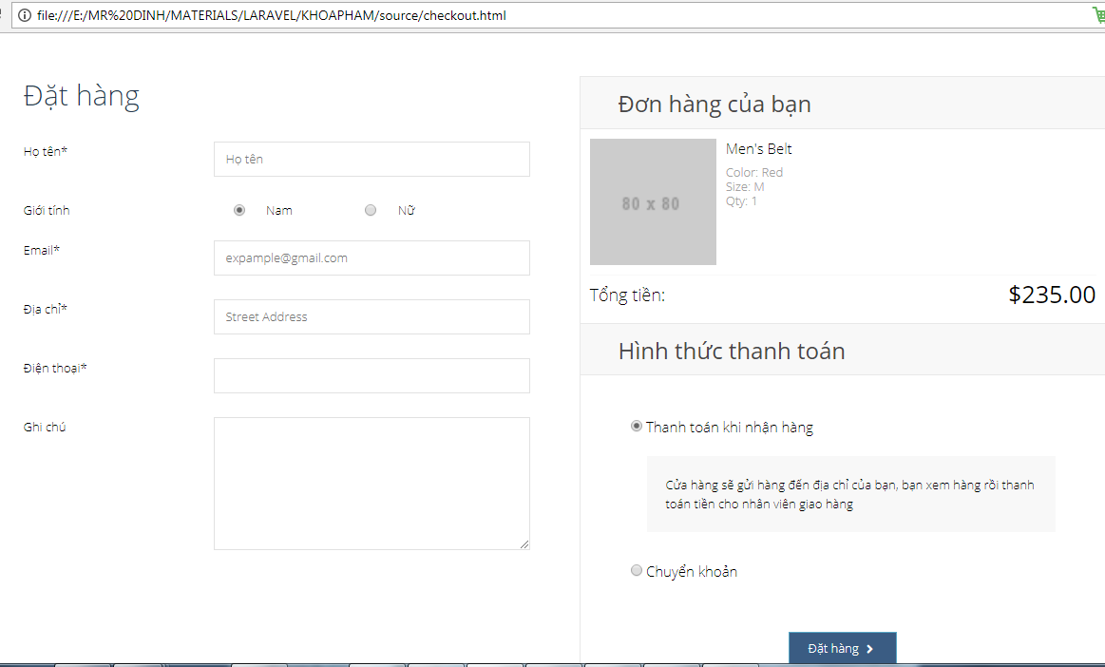

Buoc 1
 | Ta tien hanh tao 1 phuong thuc moi co ten la Post hang de lLuu thong tin dat hang

 | Tao Route
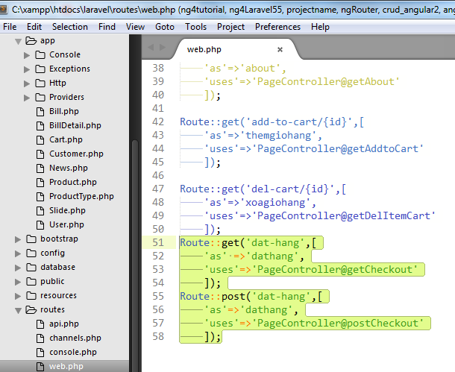

 |  |  |  | Route::get('dat-hang',[
 |  |  |  |  | 'as' =>'dathang',
 |  |  |  |  | 'uses'=>'PageController@getCheckout'
 |  |  |  |  | ]);
 |  |  |  | Route::post('dat-hang',[
 |  |  |  |  | 'as'=>'dathang',
 |  |  |  |  | 'uses'=>'PageController@postCheckout'
 |  |  |  |  | ]);

Tao 1 function postCheckout trong Pagecontroller

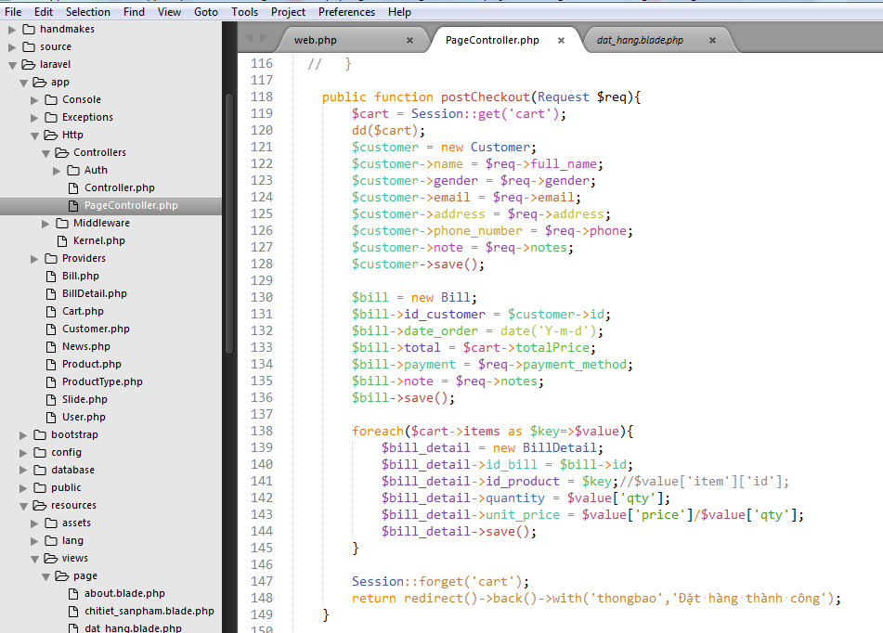
 |  |  |  |  |  | public function postCheckout(Request $req){
 |  |  |  |  |  | $cart = Session::get('cart');
 |  |  |  |  |  | dd($cart);
 |  |  |  |  |  | $customer = new Customer;
 |  |  |  |  |  | $customer->name = $req->full_name;
 |  |  |  |  |  | $customer->gender = $req->gender;
 |  |  |  |  |  | $customer->email = $req->email;
 |  |  |  |  |  | $customer->address = $req->address;
 |  |  |  |  |  | $customer->phone_number = $req->phone;
 |  |  |  |  |  | $customer->note = $req->notes;
 |  |  |  |  |  | $customer->save();

 |  |  |  |  |  | $bill = new Bill;
 |  |  |  |  |  | $bill->id_customer = $customer->id;
 |  |  |  |  |  | $bill->date_order = date('Y-m-d');
 |  |  |  |  |  | $bill->total = $cart->totalPrice;
 |  |  |  |  |  | $bill->payment = $req->payment_method;
 |  |  |  |  |  | $bill->note = $req->notes;
 |  |  |  |  |  | $bill->save();

 |  |  |  |  |  | foreach($cart->items as $key=>$value){
 |  |  |  |  |  | $bill_detail = new BillDetail;
 |  |  |  |  |  | $bill_detail->id_bill = $bill->id;
 |  |  |  |  |  | $bill_detail->id_product = $key;//$value['item']['id'];
 |  |  |  |  |  | $bill_detail->quantity = $value['qty'];
 |  |  |  |  |  | $bill_detail->unit_price = $value['price']/$value['qty'];
 |  |  |  |  |  | $bill_detail->save();
 |  |  |  |  |  | }

 |  |  |  |  |  | Session::forget('cart');
 |  |  |  |  |  | return redirect()->back()->with('thongbao','Đặt hàng thành công');
 |  |  |  |  |  | }

